Test Case 1
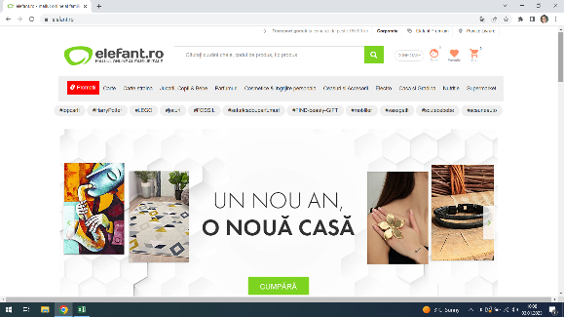
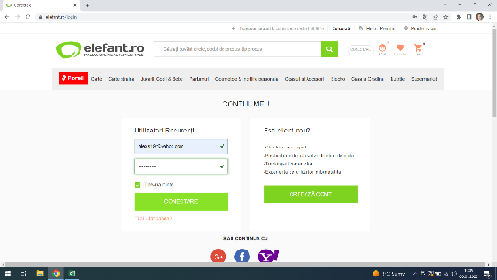
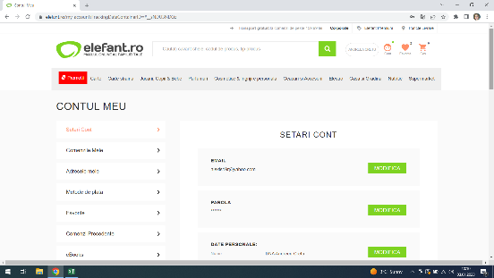
Test Case ID |  |  | Test Case Description | Test the login functionality on Elefant.ro website
Created By |  | Andreea | Reviewed By |  |  | Version

QA Tester’s Log

Tester's Name |  | Andreea | Date Tested | 2023-01-03 |  | Test Case (Pass/Fail/Not Executed)

S # | Prerequisites: |  |  | S # | Test Data Requirement
1 | Access to Chrome Browser |  |  | 1 | User - alexis19r@yahoo.com
2 |  |  |  | 2 | Password - Pikachu2010
3 |  |  |  | 3
4 |  |  |  | 4

Description |  | Verify on entering valid userid and password, the customer can login

Step # | Step Details |  | Expected Results | Actual Results |  |  | Pass / Fail / Not executed / Suspended

 | Navigate to elefant.ro |  | Site should open | Site opened |  |  | Pass
 | Click the button Conectare |  | Page should open | The window opened |  |  | Pass
 | Enter User/ID and Password |  | Credentials can be entered | Succesfull login |  |  | Pass

Test Case 2
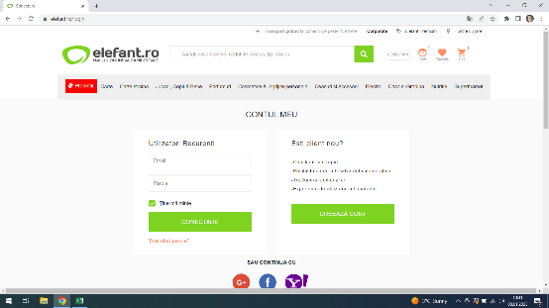
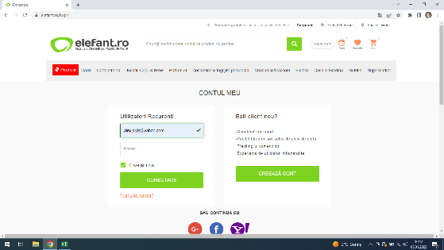
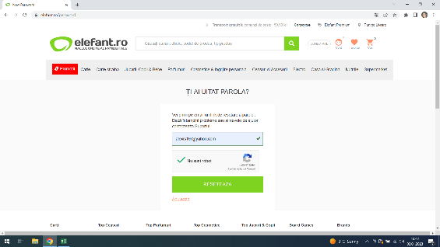
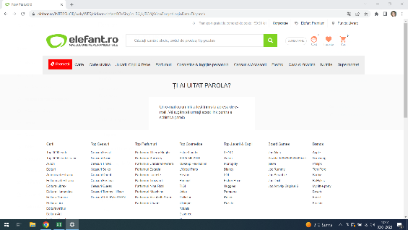
Test Case ID |  |  | Test Case Description
Created By |  | Andreea | Reviewed By |  |  | Version

QA Tester’s Log

Tester's Name |  | Andreea | Date Tested | 2023-01-03 |  | Test Case (Pass/Fail/Not Executed)

S # | Prerequisites: |  |  | S # | Test Data Requirement
1 | Acces to Chrome Browser |  |  | 1 | User/id - alexis19r@yahoo.com
2 |  |  |  | 2
3 |  |  |  | 3
4 |  |  |  | 4

Description |  | Verify the Forget my Password | button

Step | Step Details |  | Expected Results | Actual Results |  |  | Pass / Fail / Not executed / Suspended

Step 1 | Navigate to Elefant.ro |  | Site should open | Site opened |  |  | Pass

Step 2 | Click the Conectare button |  | Window should open | Conectare window opened |  |  | Pass

Step 3 | Type the user/id |  | Credentials can be entered | User id is typed |  |  | Pass

Step 4 | Click the forget my Password button |  | An email should be sent whith a link for password | Received an email for changing pasword |  |  | Pass
 |  |  | changing

Test Case 3
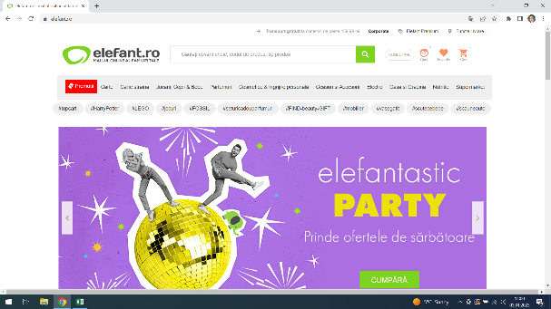
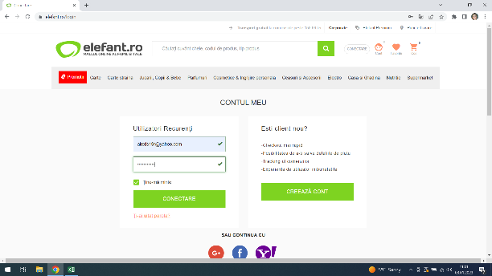
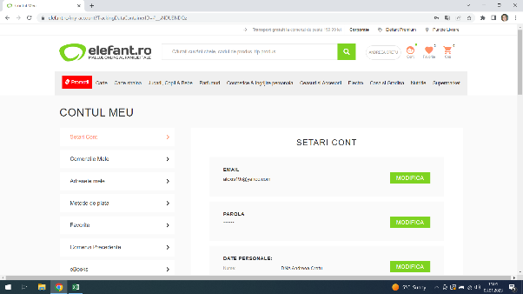
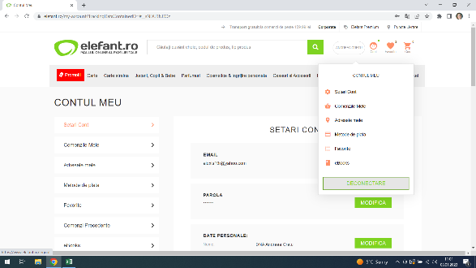
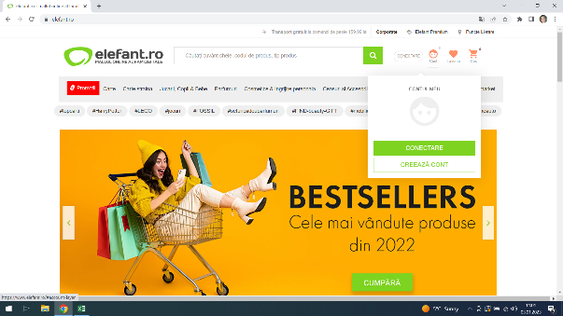
Test Case ID |  |  | Test Case Description
Created By |  | Andreea | Reviewed By |  |  | Version

QA Tester’s Log

Tester's Name |  | Andreea | Date Tested | 2023-01-03 |  | Test Case (Pass/Fail/Not Executed)

S # | Prerequisites: |  |  | S # | Test Data Requirement
1 | Acces to Chrome Browser |  |  | 1 | User id - alexis19r@yahoo.com
2 |  |  |  | 2 | Password - Pikachu2010
3 |  |  |  | 3
4 |  |  |  | 4

Description |  | Verify the LogOut Button

Step | Step Details |  | Expected Results | Actual Results |  |  | Pass / Fail / Not executed / Suspended

Step 1 | Go to Elefant.ro |  | Site should open | Site opened |  |  | Pass

Step 2 | Click the Conectare button and login whith credentials |  | Succesfull login | Login is succesfull |  |  | Pass

Step 3 | Click the Logout button |  | Succesfull logout | Logout is successfull |  |  | Pass

Test Case 4
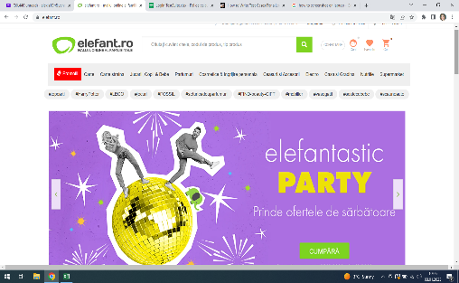

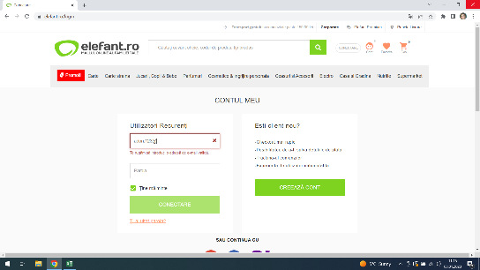
Test Case ID |  |  | Test Case Description
Created By |  | Andreea | Reviewed By |  |  | Version

QA Tester’s Log

Tester's Name |  | Andreea | Date Tested | 2023-01-03 |  | Test Case (Pass/Fail/Not Executed)

S # | Prerequisites: |  |  | S # | Test Data Requirement
1 | Access to Chrome |  |  | 1
2 |  |  |  | 2
3 |  |  |  | 3
4 |  |  |  | 4

Description |  | Testing entering an | invalid email

Step | Step Details |  | Expected Results | Actual Results |  |  | Pass / Fail / Not executed / Suspended

Step 1 | Go to Elefant.ro |  | Site should open | Site opened |  |  | Pass

Step 2 | Click the Conectare button |  | Window should open | Window opened |  |  | Pass

Step 3 | Enter an invalid password |  | Message- enter a valid email | Enter a valid email was showned |  |  | Pass

Test Case 5


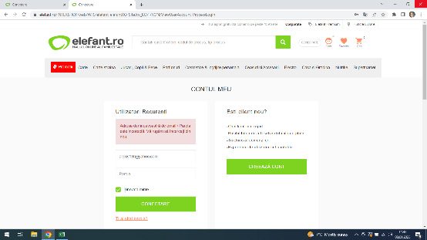
Test Case ID |  |  | Test Case Description
Created By |  | Andreea | Reviewed By |  |  | Version

QA Tester’s Log

Tester's Name |  | Andreea | Date Tested | 2023-01-03 |  | Test Case (Pass/Fail/Not Executed)

S # | Prerequisites: |  |  | S # | Test Data Requirement
1 | Acces to Chrome |  |  | 1 | User /Id - alexis19r@yahoo.com
2 |  |  |  | 2
3 |  |  |  | 3
4 |  |  |  | 4

Description |  | Login whith an incorrect | password

Step | Step Details |  | Expected Results | Actual Results |  |  | Pass / Fail / Not executed / Suspended

Step 1 | Go to Elefant.ro |  | Site should open | Site opened |  |  | Pass

Step2 | Open the Conectare window |  | Window should open | Window opened |  |  | Pass

Step 3 | Enter User and an incorrect password |  | message- please enter a correct password | Incorrect password |  |  | Pass

Test Case 6

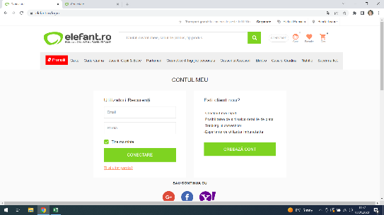
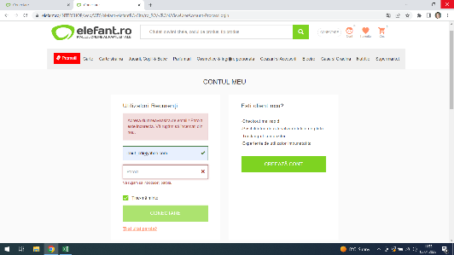
Test Case ID |  |  | Test Case Description
Created By |  | Andreea | Reviewed By |  |  | Version

QA Tester’s Log

Tester's Name |  | Andreea | Date Tested | 2023-01-03 |  | Test Case (Pass/Fail/Not Executed)

S # | Prerequisites: |  |  | S # | Test Data Requirement
1 | Acces to Chrome |  |  | 1 | unregistered email adress - cretu_ionut@yahoo.com
2 |  |  |  | 2
3 |  |  |  | 3
4 |  |  |  | 4

Description |  | Login using an unregistered | email adress

Step | Step Details |  | Expected Results | Actual Results |  |  | Pass / Fail / Not executed / Suspended

Step 1 | Go to Elefant.ro |  | Site should open | Site opened |  |  | Pass

Step 2 | Click the Conectare buttom |  | Window should open | Window opened |  |  | Pass

Step 3 | Write an unregistered email |  | Message - email adress unregistered | your email or password is incorect |  |  | Failed

